Example3 (Simplex)
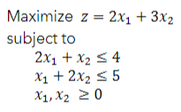
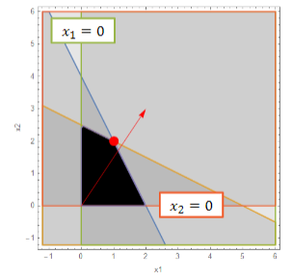

Basis | z | x1 | x2 | s1 | s2 | sol
z | 1 | -2 | -3 | 0 | 0 | 0 | min
s1 | 0 | 2 | 1 | 1 | 0 | 4 | 4
s2 | 0 | 1 | 2 | 0 | 1 | 5 | 2.5

Basis | z | x1 | x2 | s1 | s2 | sol
z | 1 | -0.5 | 0 | 0 | 1.5 | 7.5 | min
s1 | 0 | 1.5 | 0 | 1 | -0.5 | 1.5 | 1
x2 | 0 | 0.5 | 1 | 0 | 0.5 | 2.5 | 5

Basis | z | x1 | x2 | s1 | s2 | sol
 | 1 | 0 | 0 | 0.33333333333 | 1.3333333333 | 8
 | 0 | 1 | 0 | 0.66666666667 | -0.33333333333 | 1
 | 0 | 0 | 1 | -0.33333333333 | 0.66666666667 | 2

Example4 (Big M)
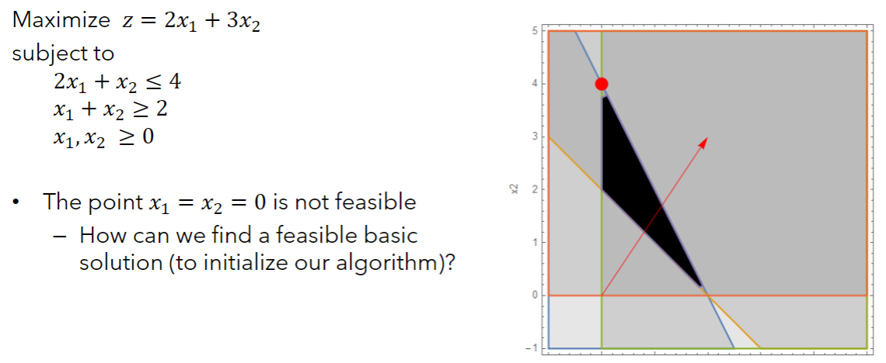

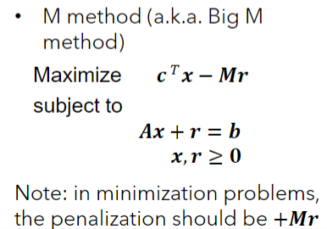
Basis | z | x1 | x2 | s1 | s2 | sol
 | 1 | -2 | -3 | 0 | 0 | 0
 | 0 | 2 | 1 | 1 | 0 | 4
 | 0 | -1 | -1 | 0 | -1 | 2

Basis | z | x1 | x2 | s1 | s2 | r | sol
 | 1 | -2 | -3 | 0 | 0 | 1000 | 0
 | 0 | 2 | 1 | 1 | 0 | 0 | 4
 | 0 | 1 | 1 | 0 | -1 | 1 | 2

 | Make r identiy
 | z | x1 | x2 | s1 | s2 | r | sol
 | 1 | -1002 | -1003 | 0 | 1000 | 0 | -2000 | min | Big M - when there is a >= constraint
 | 0 | 2 | 1 | 1 | 0 | 0 | 4 | 4 | -1* offending row
 | 0 | 1 | 1 | 0 | -1 | 1 | 2 | 2 | -1*offending row again, but RHS stays positive. Make r variable with positive 1, and z row large number
 |  |  |  |  |  |  |  |  | Make r identity
 |  |  |  |  |  |  |  |  | interate with simplex until optimal
 | z | x1 | x2 | s1 | s2 | r | sol
 | 1 | 1 | 0 | 0 | -3 | 1003 | 6 | min | Two phase
 | 1 | 1 | 0 | 1 | 1 | -1 | 2 | 2 | make slack var negative and r positive
 | 0 | 1 | 1 | 0 | -1 | 1 | 2 |  | minus one in z row for r var
 |  |  |  |  |  |  |  |  | make r identity
 |  |  |  |  |  |  |  |  | solve using simplex
 | z | x1 | x2 | s1 | s2 | 6
z | 1 | 4 | 0 | 3 | 0 | 12
s2 | 0 | 1 | 0 | 1 | 1 | 2
x2 | 0 | 2 | 1 | 1 | 0 | 4

Example4 (Two-Phase)
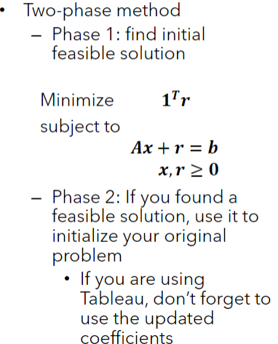
Basis | z | x1 | x2 | s1 | s2 | sol
 | 1 | -2 | -3 | 0 | 0 | 0
 | 0 | 2 | 1 | 1 | 0 | 4
 | 0 | 1 | 1 | 0 | -1 | 2

 | z row for r = negative 1, offending constraint row positive 1 r
Basis | z | x1 | x2 | s1 | s2 | r | sol
 | 1 | -2 | -3 | 0 | 0 | -1 | 0
 | 0 | 2 | 1 | 1 | 0 | 0 | 4
 | 0 | 1 | 1 | 0 | -1 | 1 | 2

 | make r identity
Basis | z | x1 | x2 | s1 | s2 | r | sol
 | 1 | -1 | -2 | 0 | -1 | 0 | 2 | min
 | 0 | 2 | 1 | 1 | 0 | 0 | 4 | 4
 | 0 | 1 | 1 | 0 | -1 | 1 | 2 | 2

Basis | z | x1 | x2 | s1 | s2 | sol
z | 1 | 1 | 0 | 0 | -3 | 6
s1 | 0 | 1 | 0 | 1 | 1 | 2
x2 | 0 | 1 | 1 | 0 | -1 | 2

Basis | z | x1 | x2 | s1 | s2 | sol
z | 1 | 1 | 0 | 0 | -3 | 6
s1 | 0 | 1 | 0 | 1 | 1 | 2
x2 | 0 | 1 | 1 | 0 | -1 | 2

Basis | z | x1 | x2 | s1 | s2 | sol
z | 1 | 4 | 0 | 3 | 0 | 12
s2 | 0 | 1 | 0 | 1 | 1 | 2
x2 | 0 | 2 | 1 | 1 | 0 | 4

Example5 (Degeneracy)
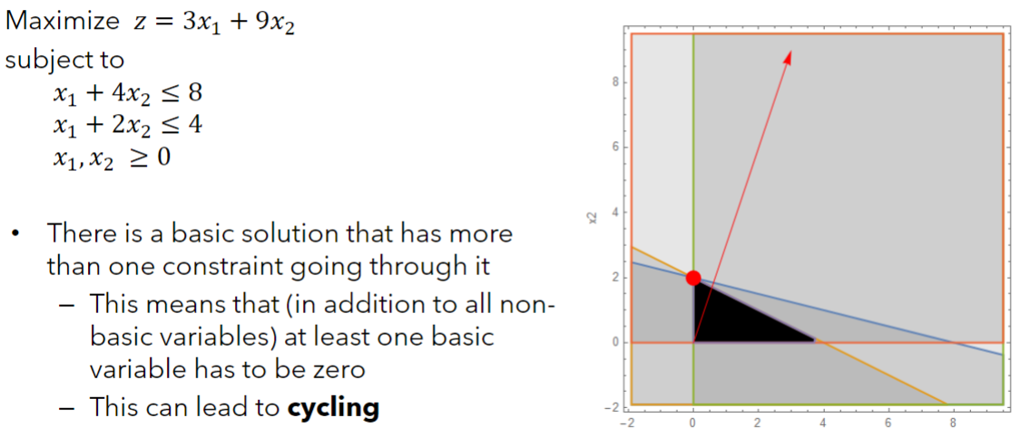

Basis | z | x1 | x2 | s1 | s2 | sol

Basis | z | x1 | x2 | s1 | s2 | sol

Basis | z | x1 | x2 | s1 | s2 | sol

Example6 (Alternate optima)
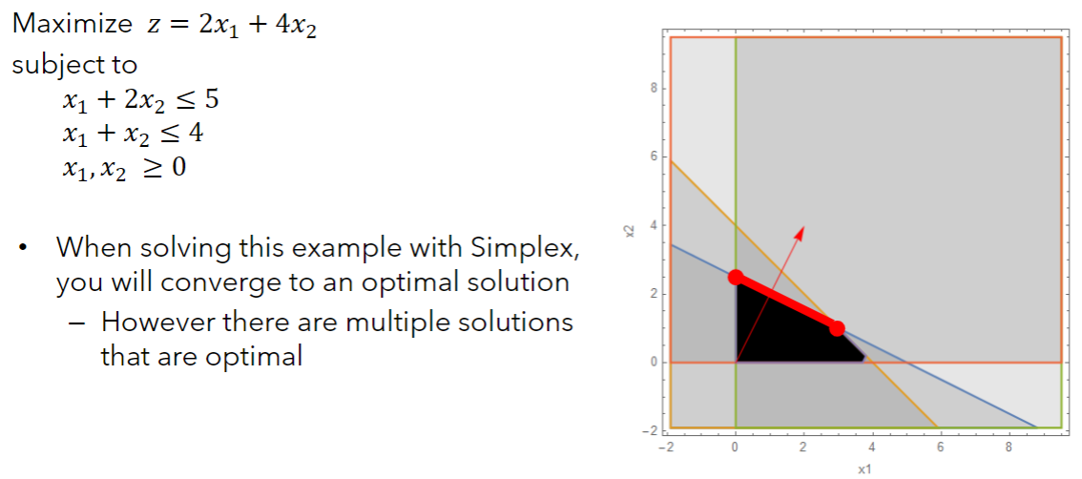

Basis | z | x1 | x2 | s1 | s2 | sol

Basis | z | x1 | x2 | s1 | s2 | sol

Basis | z | x1 | x2 | s1 | s2 | sol

Example7A (Unb. sol space)
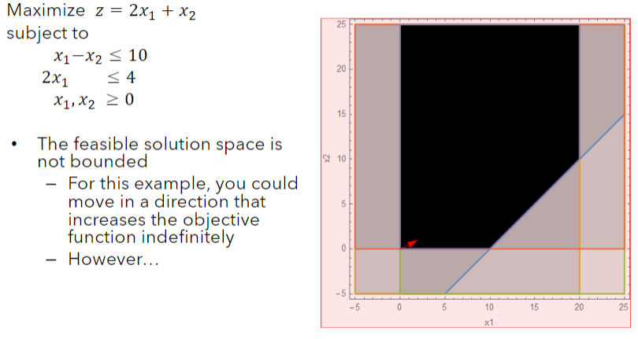

Basis | z | x1 | x2 | s1 | s2 | sol

Basis | z | x1 | x2 | s1 | s2 | sol

Basis | z | x1 | x2 | s1 | s2 | sol

Example7B (Unb. sol space)
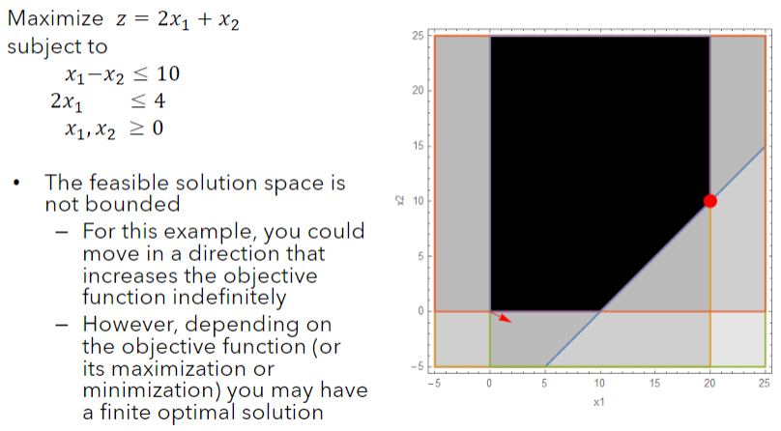

Basis | z | x1 | x2 | s1 | s2 | sol

Basis | z | x1 | x2 | s1 | s2 | sol

Basis | z | x1 | x2 | s1 | s2 | sol

